CoverSheet
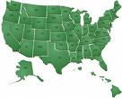

PUBLIC COST AND REVENUE ANALYSIS

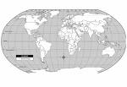
Fiscal Year 2019
Revised 1/10/2020

FINANCE

